Fig2 Corpus statistics
Period | Number of articles | Average number of words per article | Number of authors
1901-1905 | 84 | 2116 | 102
1906-1910 | 78 | 2179 | 87
1911-1915 | 78 | 2045 | 93
1916-1920 | 37 | 1577 | 51
1921-1925 | 87 | 2390 | 105
1926-1930 | 85 | 2584 | 104
1931-1935 | 103 | 2341 | 135
1936-1940 | 89 | 2349 | 109
1941-1945 | 45 | 1317 | 50
1946-1950 | 150 | 1236 | 172
1951-1955 | 201 | 1183 | 244
1956-1960 | 222 | 1022 | 293
1961-1965 | 242 | 976 | 328
1966-1970 | 306 | 997 | 419
1971-1975 | 368 | 909 | 503
1976-1980 | 391 | 901 | 565
1981-1985 | 368 | 987 | 561
1986-1990 | 446 | 1037 | 739
1991-1995 | 420 | 1170 | 742
1996-2000 | 408 | 1377 | 785
2001-2005 | 381 | 1619 | 767
2006-2010 | 383 | 1685 | 878
2011-2015 | 334 | 1954 | 830
2016-2020 | 290 | 1395 | 792

Fig3 Coherence
Number of topics k | Coherence
1 | 0.40
2 | 0.41
3 | 0.41
4 | 0.45
5 | 0.44
6 | 0.46
7 | 0.45
8 | 0.47
9 | 0.47
10 | 0.47
11 | 0.48
12 | 0.48
13 | 0.47
14 | 0.47
15 | 0.48
16 | 0.47
17 | 0.50
18 | 0.48
19 | 0.49
20 | 0.50
21 | 0.49
22 | 0.51
23 | 0.51
24 | 0.51
25 | 0.50
50 | 0.51
75 | 0.53
100 | 0.53
125 | 0.52
150 | 0.51

Fig4 Topic nodes
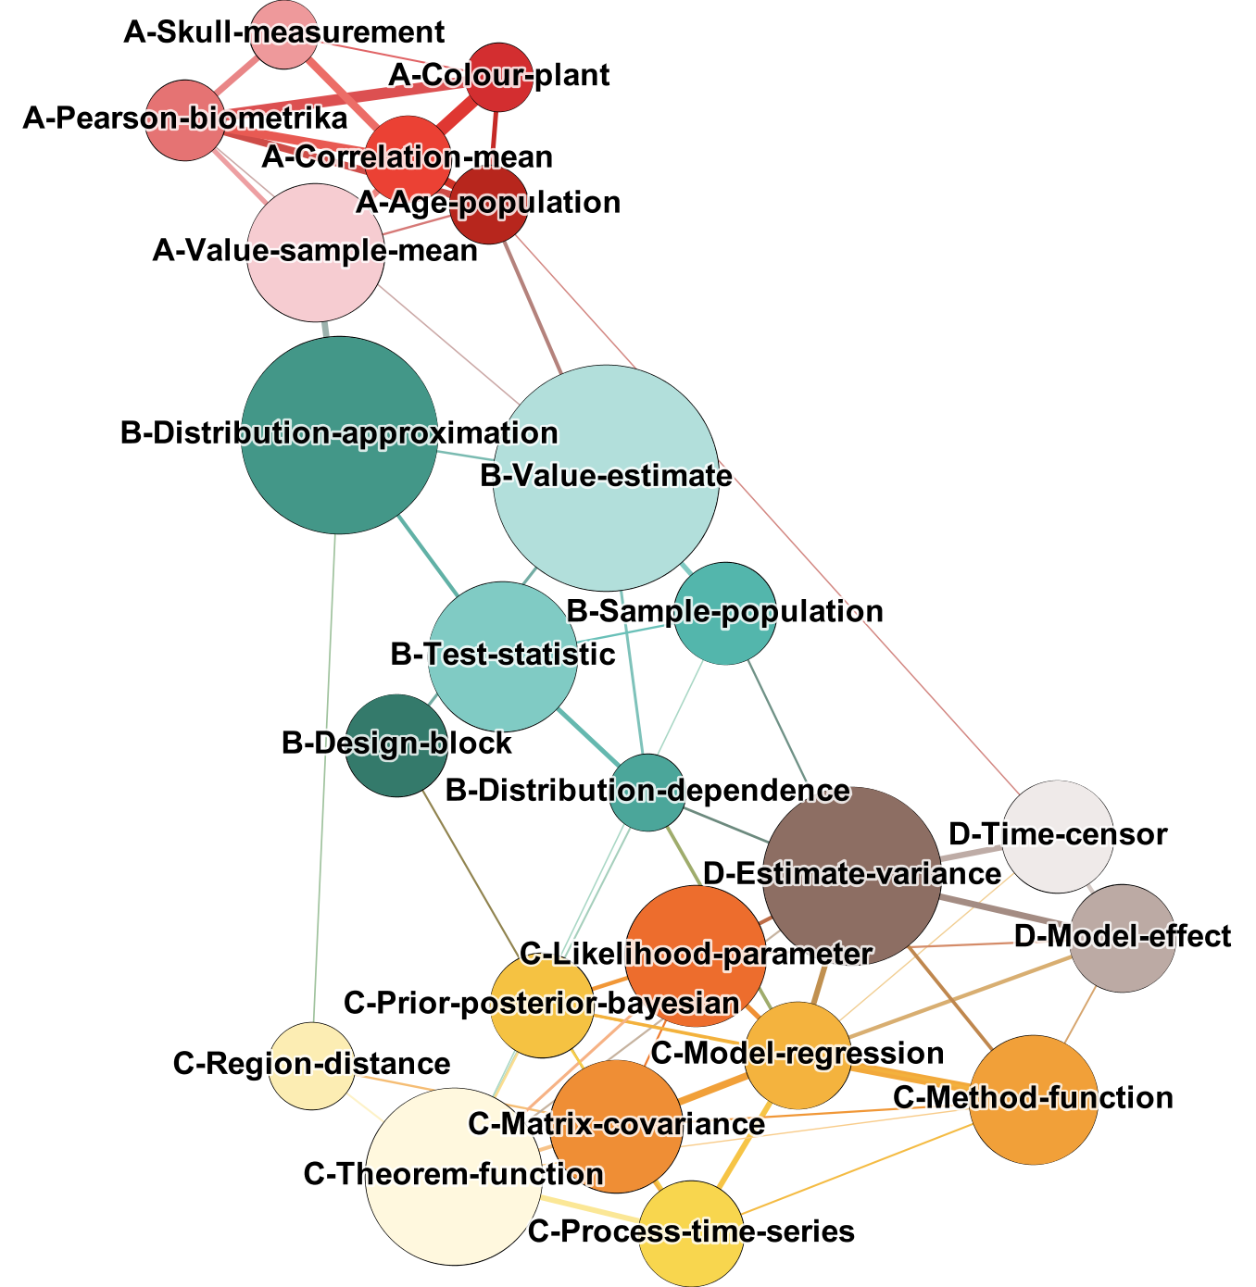
ID | Weight | Label | Color
13 | 0.019 | A-Age-population | #B7261D
14 | 0.013 | A-Colour-plant | #D32E30
18 | 0.024 | A-Correlation-mean | #EB4134
12 | 0.020 | A-Pearson-biometrika | #E57373
22 | 0.013 | A-Skull-measurement | #EE999B
11 | 0.054 | A-Value-sample-mean | #F6CCD1
2 | 0.033 | B-Design-block | #347A6B
1 | 0.089 | B-Distribution-approximation | #439788
17 | 0.018 | B-Distribution-dependence | #4BA69A
15 | 0.033 | B-Sample-population | #53B6AC
9 | 0.061 | B-Test-statistic | #80CBC4
4 | 0.106 | B-Value-estimate | #B2DFDB
20 | 0.056 | C-Likelihood-parameter | #ED6D2D
3 | 0.051 | C-Matrix-covariance | #EF8E35
7 | 0.049 | C-Method-function | #F1A039
0 | 0.036 | C-Model-regression | #F4B33E
19 | 0.034 | C-Prior-posterior-bayesian | #F5C242
21 | 0.035 | C-Process-time-series | #F8D64E
10 | 0.024 | C-Region-distance | #FCEDB3
16 | 0.077 | C-Theorem-function | #FFF8DE
6 | 0.078 | D-Estimate-variance | #8D6E63
5 | 0.036 | D-Model-effect | #BCAAA4
8 | 0.039 | D-Time-censor | #EFEAE9

Fig5 Topics over time
Topic label | 1901-1905 | 1906-1910 | 1911-1915 | 1916-1920 | 1921-1925 | 1926-1930 | 1931-1935 | 1936-1940 | 1941-1945 | 1946-1950 | 1951-1955 | 1956-1960 | 1961-1965 | 1966-1970 | 1971-1975 | 1976-1980 | 1981-1985 | 1986-1990 | 1991-1995 | 1996-2000 | 2001-2005 | 2006-2010 | 2011-2015 | 2016-2020
A-Age-population | 0.080 | 0.063 | 0.092 | 0.041 | 0.069 | 0.025 | 0.026 | 0.039 | 0.055 | 0.028 | 0.038 | 0.021 | 0.019 | 0.020 | 0.017 | 0.010 | 0.009 | 0.010 | 0.012 | 0.010 | 0.012 | 0.008 | 0.007 | 0.009
A-Colour-plant | 0.192 | 0.170 | 0.155 | 0.080 | 0.067 | 0.019 | 0.043 | 0.049 | 0.017 | 0.007 | 0.005 | 0.004 | 0.005 | 0.005 | 0.003 | 0.003 | 0.002 | 0.001 | 0.002 | 0.002 | 0.003 | 0.002 | 0.001 | 0.001
A-Correlation-mean | 0.298 | 0.251 | 0.247 | 0.134 | 0.136 | 0.125 | 0.078 | 0.051 | 0.059 | 0.016 | 0.010 | 0.008 | 0.008 | 0.006 | 0.005 | 0.004 | 0.004 | 0.004 | 0.003 | 0.004 | 0.004 | 0.004 | 0.003 | 0.005
A-Pearson-biometrika | 0.102 | 0.104 | 0.094 | 0.065 | 0.081 | 0.097 | 0.055 | 0.078 | 0.079 | 0.024 | 0.022 | 0.041 | 0.010 | 0.020 | 0.017 | 0.010 | 0.008 | 0.005 | 0.006 | 0.007 | 0.006 | 0.005 | 0.012 | 0.008
A-Skull-measurement | 0.082 | 0.020 | 0.085 | 0.019 | 0.074 | 0.174 | 0.145 | 0.142 | 0.036 | 0.006 | 0.001 | 0.001 | 0.001 | 0.001 | 0.001 | 0.001 | 0.001 | 0.001 | 0.001 | 0.001 | 0.001 | 0.001 | 0.001 | 0.001
A-Value-sample-mean | 0.154 | 0.262 | 0.224 | 0.495 | 0.380 | 0.369 | 0.399 | 0.182 | 0.155 | 0.150 | 0.110 | 0.061 | 0.041 | 0.026 | 0.018 | 0.011 | 0.007 | 0.007 | 0.006 | 0.006 | 0.006 | 0.005 | 0.004 | 0.003
B-Design-block | 0.001 | 0.001 | 0.001 | 0.003 | 0.002 | 0.001 | 0.002 | 0.020 | 0.011 | 0.030 | 0.024 | 0.025 | 0.019 | 0.051 | 0.040 | 0.038 | 0.044 | 0.053 | 0.041 | 0.033 | 0.034 | 0.035 | 0.043 | 0.016
B-Distribution-approximation | 0.004 | 0.016 | 0.015 | 0.053 | 0.054 | 0.057 | 0.081 | 0.114 | 0.200 | 0.238 | 0.211 | 0.239 | 0.263 | 0.193 | 0.145 | 0.103 | 0.077 | 0.052 | 0.058 | 0.030 | 0.024 | 0.017 | 0.011 | 0.009
B-Distribution-dependence | 0.003 | 0.007 | 0.001 | 0.001 | 0.003 | 0.001 | 0.003 | 0.005 | 0.021 | 0.014 | 0.016 | 0.016 | 0.012 | 0.016 | 0.016 | 0.025 | 0.031 | 0.024 | 0.019 | 0.020 | 0.018 | 0.017 | 0.029 | 0.022
B-Sample-population | 0.001 | 0.002 | 0.003 | 0.000 | 0.002 | 0.002 | 0.005 | 0.011 | 0.013 | 0.014 | 0.030 | 0.036 | 0.049 | 0.044 | 0.061 | 0.046 | 0.040 | 0.045 | 0.034 | 0.032 | 0.029 | 0.029 | 0.029 | 0.019
B-Test-statistic | 0.002 | 0.003 | 0.001 | 0.004 | 0.005 | 0.005 | 0.017 | 0.044 | 0.035 | 0.056 | 0.060 | 0.066 | 0.079 | 0.085 | 0.089 | 0.108 | 0.096 | 0.074 | 0.057 | 0.051 | 0.049 | 0.046 | 0.040 | 0.058
B-Value-estimate | 0.046 | 0.054 | 0.054 | 0.046 | 0.059 | 0.058 | 0.070 | 0.188 | 0.173 | 0.232 | 0.236 | 0.207 | 0.161 | 0.165 | 0.151 | 0.135 | 0.109 | 0.107 | 0.086 | 0.064 | 0.055 | 0.039 | 0.028 | 0.054
C-Likelihood-parameter | 0.001 | 0.002 | 0.000 | 0.001 | 0.003 | 0.002 | 0.003 | 0.007 | 0.005 | 0.014 | 0.013 | 0.021 | 0.024 | 0.030 | 0.058 | 0.077 | 0.093 | 0.105 | 0.111 | 0.083 | 0.079 | 0.059 | 0.045 | 0.031
C-Matrix-covariance | 0.001 | 0.000 | 0.005 | 0.018 | 0.004 | 0.010 | 0.008 | 0.016 | 0.031 | 0.041 | 0.053 | 0.045 | 0.058 | 0.063 | 0.071 | 0.064 | 0.066 | 0.066 | 0.050 | 0.055 | 0.055 | 0.054 | 0.059 | 0.041
C-Method-function | 0.001 | 0.001 | 0.001 | 0.001 | 0.001 | 0.001 | 0.002 | 0.001 | 0.003 | 0.001 | 0.002 | 0.002 | 0.002 | 0.004 | 0.006 | 0.010 | 0.012 | 0.027 | 0.042 | 0.060 | 0.071 | 0.118 | 0.177 | 0.263
C-Model-regression | 0.002 | 0.000 | 0.002 | 0.004 | 0.005 | 0.002 | 0.002 | 0.001 | 0.001 | 0.005 | 0.012 | 0.012 | 0.010 | 0.017 | 0.027 | 0.026 | 0.046 | 0.053 | 0.056 | 0.057 | 0.068 | 0.058 | 0.062 | 0.043
C-Prior-posterior-bayesian | 0.001 | 0.001 | 0.001 | 0.001 | 0.003 | 0.001 | 0.000 | 0.002 | 0.001 | 0.002 | 0.001 | 0.004 | 0.012 | 0.021 | 0.023 | 0.026 | 0.018 | 0.030 | 0.048 | 0.075 | 0.073 | 0.065 | 0.051 | 0.071
C-Process-time-series | 0.000 | 0.001 | 0.002 | 0.001 | 0.005 | 0.003 | 0.001 | 0.001 | 0.013 | 0.023 | 0.039 | 0.045 | 0.037 | 0.028 | 0.036 | 0.046 | 0.041 | 0.047 | 0.042 | 0.045 | 0.037 | 0.038 | 0.035 | 0.033
C-Region-distance | 0.020 | 0.035 | 0.009 | 0.010 | 0.024 | 0.025 | 0.029 | 0.021 | 0.024 | 0.026 | 0.028 | 0.029 | 0.045 | 0.033 | 0.028 | 0.025 | 0.021 | 0.020 | 0.019 | 0.020 | 0.021 | 0.021 | 0.022 | 0.020
C-Theorem-function | 0.007 | 0.005 | 0.003 | 0.019 | 0.021 | 0.019 | 0.024 | 0.018 | 0.051 | 0.048 | 0.049 | 0.066 | 0.092 | 0.089 | 0.092 | 0.105 | 0.106 | 0.084 | 0.079 | 0.085 | 0.083 | 0.101 | 0.099 | 0.060
D-Estimate-variance | 0.000 | 0.000 | 0.000 | 0.001 | 0.001 | 0.002 | 0.004 | 0.008 | 0.012 | 0.020 | 0.034 | 0.041 | 0.039 | 0.069 | 0.071 | 0.078 | 0.099 | 0.111 | 0.106 | 0.117 | 0.124 | 0.119 | 0.103 | 0.085
D-Model-effect | 0.001 | 0.001 | 0.001 | 0.000 | 0.001 | 0.001 | 0.002 | 0.001 | 0.002 | 0.003 | 0.003 | 0.004 | 0.005 | 0.007 | 0.009 | 0.016 | 0.024 | 0.027 | 0.056 | 0.059 | 0.071 | 0.076 | 0.081 | 0.111
D-Time-censor | 0.001 | 0.002 | 0.002 | 0.002 | 0.001 | 0.001 | 0.001 | 0.001 | 0.003 | 0.001 | 0.004 | 0.003 | 0.008 | 0.007 | 0.014 | 0.030 | 0.046 | 0.046 | 0.067 | 0.083 | 0.078 | 0.081 | 0.061 | 0.038
Articles | 84 | 78 | 78 | 37 | 87 | 85 | 103 | 89 | 45 | 150 | 201 | 222 | 242 | 306 | 368 | 391 | 368 | 446 | 420 | 408 | 381 | 383 | 334 | 290

Biometrika (1901-2020)

